2 - GS Correlations (numeric)
* This is done with the goldstandard tables |  |  | Headphones* |  |  |  |  |  | Phones* |  |  |  |  | TVs*

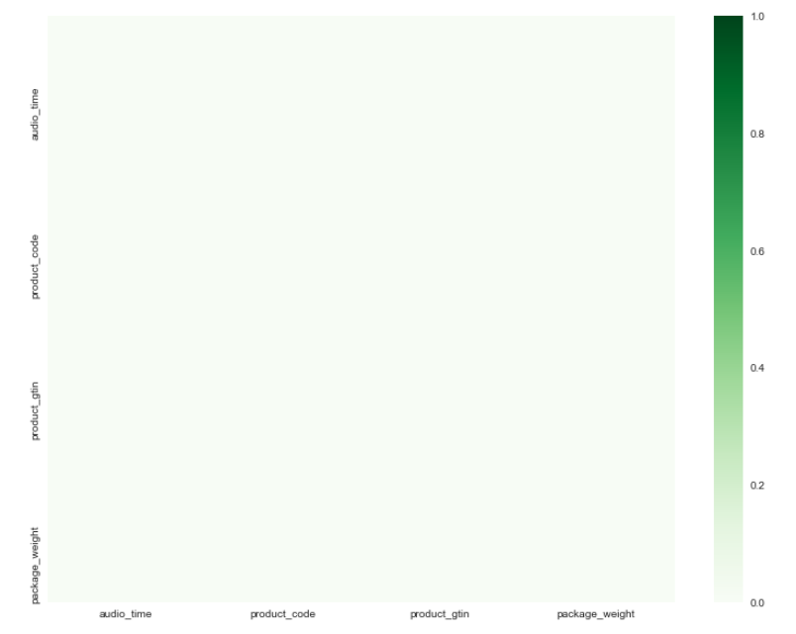
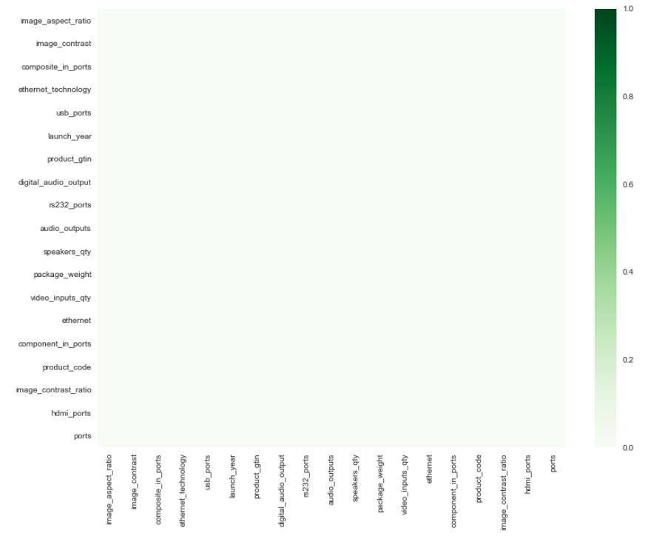
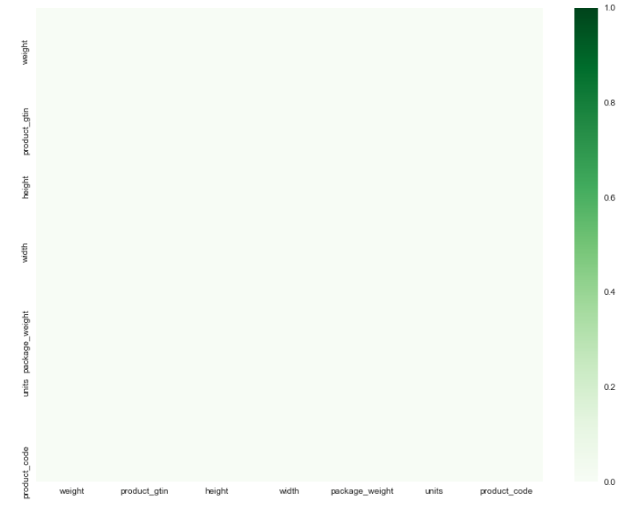
The numeric columns

 | weight | product_gtin | height | width | package_weight | units | product_code | audio_time | product_code | product_gtin | package_weight | image_aspect_ratio | image_contrast | composite_in_ports | ethernet_technology | usb_ports | launch_year | product_gtin | digital_audio_output | rs232_ports | audio_outputs | speakers_qty | package_weight | video_inputs_qty | ethernet | component_in_ports | product_code | image_contrast_ratio | hdmi_ports | ports
 | 8.3235 | 9002761035681 |  |  |  |  |  |  |  | 821793044329 |  | 16 | 200000 |  |  |  |  |  |  |  |  |  | 25.8 |  |  |  | 555161914
 |  | 613815629788 |  |  |  |  |  |  | 4.00E+23 | 885909537969 |  |  |  |  |  | 1 |  | 719192596719 |  |  |  | 2 |  | 1 |  |  |  |  | 2
 |  | 615104099692 |  |  |  |  | 615104099692 |  |  | 8.86E+23 |  | 5000000 |  |  |  | 3 | 2015 | 719192596955 |  |  | 1 | 2 |  | 1 | 1 |  | 719192596948 |  | 3 | 1
 |  | 42406196956 |  |  |  |  |  |  |  |  |  | 16 | 5000 | 1 | 1 | 3 |  | 719192596948 | 1 | 1 | 1 | 2 |  | 1 | 1 | 1 | 719192596948 |  | 3 | 311
 |  |  |  |  |  |  |  |  | 8806086890342 |  |  | 16 |  |  |  |  |  | 47323138409 |  |  |  |  |  |  |  |  | 552396283 | 3000
 | 1.6 | 615104270350 |  |  | 1.6 | 1
 |  | 42406171908 | 9.5 | 4.5 |  |  |  | 40 |  | 885909727476 |  |  |  |  |  | 3 |  | 27242888067 | 1 |  | 1 | 2 |  | 2 |  |  |  |  | 4
 |  |  |  |  |  |  |  |  |  | 715660702989 |  |  |  |  |  |  |  | 887276130088 |  |  |  |  |  | 1 |  |  |  |  | 4

 |  |  |  |  |  |  |  |  |  | 885909971671
 |  |  |  |  |  |  |  |  |  | 885909832774
 |  |  |  |  |  |  |  | 40 |  | 885909727896 | 1.1

 |  |  |  |  |  |  |  | 60
 |  |  |  |  |  |  |  |  | 690443857721

 |  |  |  |  |  |  |  |  |  | 885909600144
 |  |  |  |  |  |  |  |  |  | 715660702897
 |  |  |  |  |  |  |  |  |  | 715660702866
 |  |  |  |  |  |  |  |  |  | 885909950669
 |  |  |  |  |  |  |  |  |  | 885909971541
 |  |  |  |  |  |  |  |  | 885909741762
 |  |  |  |  |  |  |  | 50
 |  |  |  |  |  |  |  | 50
 |  |  |  |  |  |  |  |  |  | 652810815901
 |  |  |  |  |  |  |  |  |  | 8806084985699

 |  |  |  |  |  |  |  | 67

 |  |  |  |  |  |  |  |  | 652810815772 | 652810815901

3 - GS Correlations (cat - num)
* This is done with the goldstandard tables |  |  |  | Headphones* |  |  |  |  |  |  | Phones* |  |  |  |  |  |  |  |  |  |  | TVs*

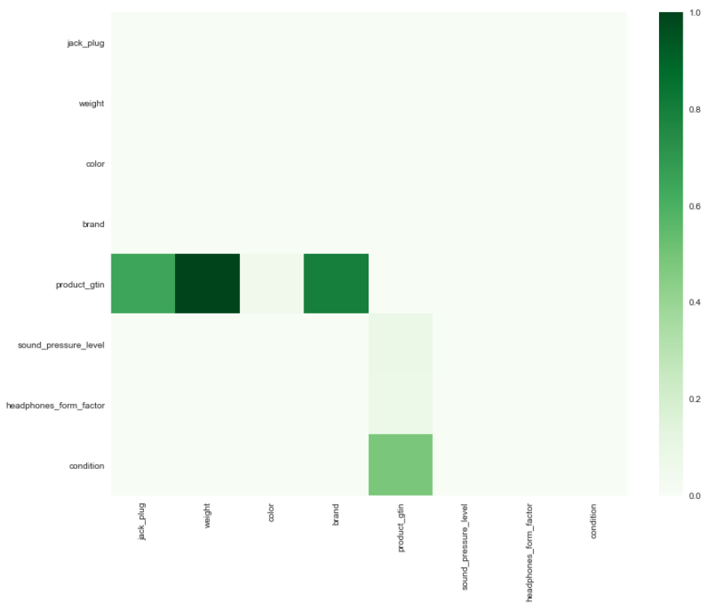
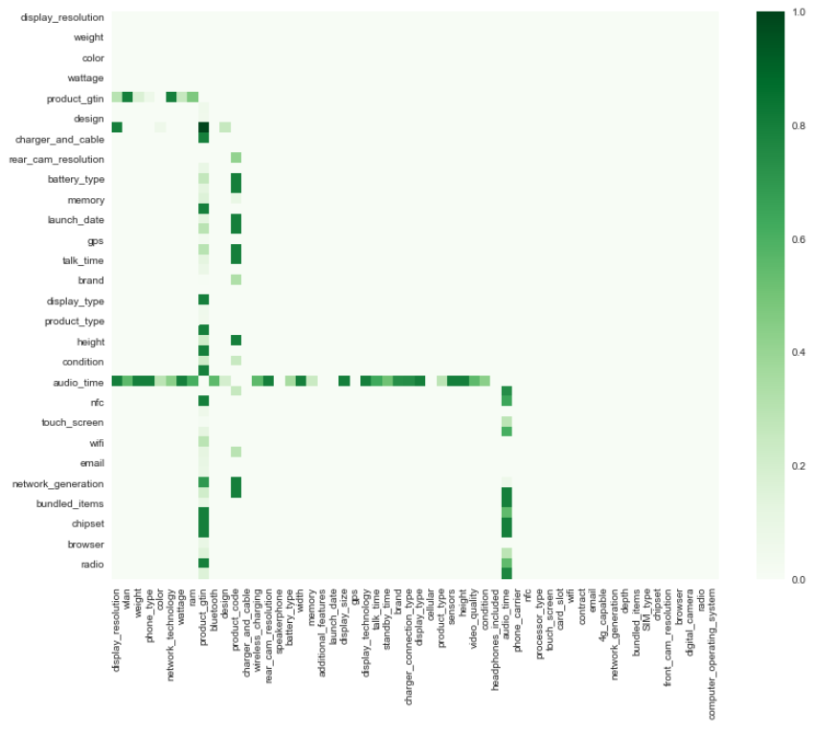
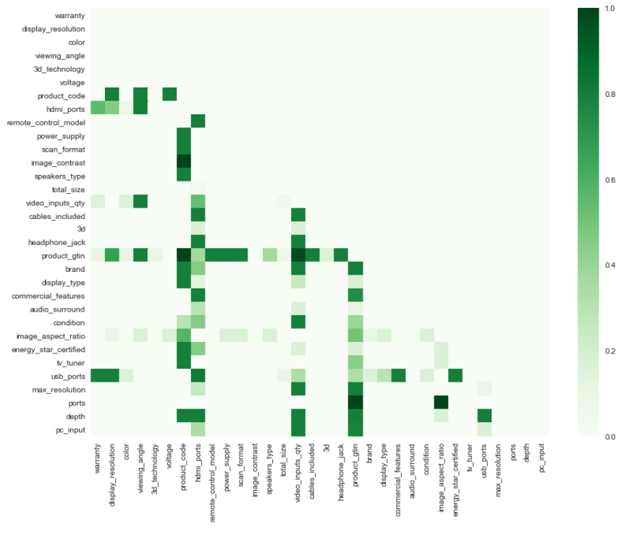

The correlating columns

 | categorical | numeric | categorical | categorical | numeric | categorical | categorical | categorical | categorical | categorical | categorical | categorical | categorical | categorical | categorical | categorical | numeric | categorical | categorical | numeric | categorical | categorical | categorical | categorical | categorical | categorical | categorical | categorical | categorical | categorical | categorical | categorical | categorical | categorical | categorical | categorical | categorical | categorical | categorical | categorical | categorical | categorical | categorical | categorical | numeric | categorical | categorical | categorical | categorical | categorical | categorical | categorical | categorical | categorical | categorical | categorical | categorical | categorical | categorical | categorical | categorical | categorical | categorical | categorical
 | jack_plug | weight | color | brand | product_gtin | sound_pressure_level | headphones_form_factor | condition | display_resolution | wlan | weight | phone_type | color | network_technology | wattage | ram | product_gtin | bluetooth | design | product_code | charger_and_cable | wireless_charging | rear_cam_resolution | speakerphone | battery_type | width | memory | additional_features | launch_date | display_size | gps | display_technology | talk_time | standby_time | brand | charger_connection_type | display_type | cellular | product_type | sensors | height | video_quality | condition | headphones_included | audio_time | phone_carrier | nfc | processor_type | touch_screen | card_slot | wifi | contract | email | 4g_capable | network_generation | depth | bundled_items | SIM_type | chipset | front_cam_resolution | browser | digital_camera | radio | computer_operating_system
 | Gold-plated stereo jack 1/8" (3.5 mm) to 1/4" ... | 8.3235 | Black | AKG | 9.00E+12 | 105 dB | Headband | Used | 1080 x 1920 pixels (-441 ppi pixel density) | Wi-Fi 802.11 a/b/g/n/ac, dual-band, Wi-Fi Direct, DLNA, hotspot | 157g | ONE M9 | Silver | GSM/UMTS/LTE | 2840mAh | 3GB | 821793044329 | V4.1 | Bar |  |  |  | 20.0 MP | Yes, with stereo speakers | Non-removable Li-Po 2840 mAh battery | 2.74 in. | 32GB | 3G Data Capable, 4G Data Capable, 4K Video Recording, Bluetooth Enabled, Global Ready, GPS, Internet Browser, Music Player, Near Field Communication, Speakerphone, Touchscreen, Wi-Fi Capable | 2015, March | 5.0 inch | Yes, with A-GPS, GLONASS | Super LCD 3 |  |  | HTC |  | HD Capacitive | Band (4G) | Smartphone | Accelerometer, gyro, proximity, compass | 5.69 in. | 3GP, MP4 , H.263, etc. | New other (see details) |  |  | Without Contract | yes | Octa Core | Yes | Micro SD card up to 128GB ( Not included) | Yes | Without Contract | yes | Yes | 2G, 3G, 4G | 0.38 in. | 1 x Phone,1 x Data Cable,1 x Charger,1 x Battery | Nano-SIM | Qualcomm Snapdragon 810# | 4MP | yes | Yes | Stereo FM radio with RDS | Android OS 5.0
 | None | NaN | Dark Green | Audio Technica | 6.14E+11 | None | Full-Size Headphones | New | 960 x 640 pixels |  | 4.9 oz | iPhone 4s | Black | GSM/EDGE 850/900/1800/1900 (Quadband) WCDMA (UMTS)/HSDPA/HSUPA 850/900/1900/2100 CDMA EV-DO Rev. A 800/1900 | 1432 mAh |  | 885909537969 | Yes | Bar | 4.00E+23 |  |  | 8.0MP | Yes | Lithium Ion | 2.31 in. | 32GB |  | 2011-10-14 | 3.5" | Yes | TFT LCD | Up to 840 min | Up to 200 hr | Apple |  |  | GSM/EDGE 850/900/1800/1900 (Quadband) WCDMA (UMTS)/HSDPA/HSUPA 850/900/1900/2100 CDMA EV-DO Rev. A 800/1900 | Smartphone |  | 4.5 in. |  | Used |  |  | Verizon |  |  | Yes |  |  | without Contract | Yes |  | 2G, 3G | 0.37 in. |  |  |  |  | Yes | Yes |  | iOS - Apple
 | 6.3mm (1/4in.) | NaN | Black | Sennheiser | 6.15E+11 | 103 dB | Headband | Used | 960 x 640 pixels |  | 4.9 oz | iPhone 4s | White | CDMA2000 1X / GSM / WCDMA (UMTS) | 1432 mAh |  | 8.86E+23 | Yes | Bar |  |  |  | 8.0MP | Yes | Rechargeable Li-Ion Battery | 2.31 in. | 16GB | 3G Data Capable, 4G Data Capable, Bluetooth Enabled, Internet Browser, Music Player, Speakerphone, Touchscreen | 2011-10-14 | 3.5" | Yes | TFT LCD | Up to 840 min | Up to 200 hr | Apple |  |  | GSM/EDGE 850/900/1800/1900 (Quadband) WCDMA (UMTS)/HSDPA/HSUPA 850/900/1900/2100 CDMA EV-DO Rev. A 800/1900 | Smartphone |  | 4.5 in. |  | Unlocked |  |  | Verizon |  |  | Yes | MicroSD |  | Without Contract | Yes |  | 2G, 3G | 0.37 in. |  | Not included |  |  | Yes | Yes |  | iOS - Apple
 | 3.5mm (1/8in.) | NaN | Black | Shure | 4.24E+10 | 107 dB | Earbud (In Ear) | New
 | 3.5mm Jack | NaN | Silver | Universal | NaN | None | Earbud (In Ear) | Used |  |  |  | SM-G925F | White Pearl |  | 2600 mAh | 3GB |  | Yes |  | 8806086890342 |  |  | 16.0MP | Yes |  |  | 128GB | Camera, Colour Screen, Email, Fingerprint Sensor, FM Radio, Internet Browsing, MMS (Multimedia Messaging), MP3 Player, Sat Nav, Touch Screen, Video Calling |  | 5.1" | Yes | Quad HD Super AMOLED |  |  | Samsung |  |  | GSM 850/900/1800/1900 UMTS 850/900/1900/2100 LTE 1/2/3/4/5/7/8/12/17/18/19/20/26 | Smartphone |  |  |  | Unlocked |  |  |  |  | Quad+Quad Core | Yes |  |  |  | Yes |  |  |  | Adaptor, Cable, Headset |  |  |  |  | Yes |  | Android
 | 3.5mm (1/8in.) | 1.6 | Ivory | SENNHEISER | 6.15E+11 | None | Headband | New | 1136 x 640 pixels |  | 3.95 oz | 5 | White & Silver | GSM/EDGE 850/900/1800/1900 UMTS/HSPA+ / DC-HSDPA 850/900/1900/2100 LTE 4/17 | 1440 mAh |  |  | Yes | Bar |  |  |  | 8.0MP | Yes | Rechargeable Li-Ion Battery | 2.31 in. | 16GB |  | 2012-09-12 | 4" | Yes | Retina | Up to 480 min | Up to 225 hr | Apple |  |  |  | Smartphone |  | 4.87 in. |  |  |  |  | Unlocked |  |  | Yes |  |  |  | Yes |  | 2G, 3G, 4G | 0.3 in. |  |  |  |  | Yes | Yes
 | None | NaN | Black | Shure | 4.24E+10 | 105 dB | Headband | New | 1136 x 640 pixels | QuadBand | 0.11ï¿½Kilogram | 5s | Grey | GSM/EDGE 850/900/1800/1900 UMTS/HSPA+/DC-HSDPA 850/900/1700/1900/2100 LTE 1/2/3/4/5/8/13/17/19/20/25 | 1570 | 1GB | 885909727476 | Y | Bar |  | Y | N | 8 MP | Yes | Rechargeable lithium ion | 5.86ï¿½Centimetre | 32GB |  | 2013-09-10 | 4" | Yes | Retina | 10 | 250 | Apple | Apple lightning | Multi-touch widescreen Retina HD LED-backlit |  | Smart phone | Gyro | 12.38ï¿½Centimetre | 1080p (Full HD) | Good | Y | 40 | Tesco Mobile | N |  | Y | No | Y |  | Yes |  | 4G | 0.76ï¿½Centimetre | iPhone 5s with iOS 7, Apple EarPods with Remote and Mic, Lightning to USB Cable, USB Power Adapter, Documentation | Nano SIM | Apple A7 with 64-bit architecture and M7 motion coprocessor | 1.2MP | Yes | Y | N | iOS7
 | None | NaN | None | None | NaN | None | None | None | 1920 x 1080 |  | 6.07 oz | 6 Plus | Gold | GSM/EDGE 850/900/1800/1900 UMTS/HSPA+/DC-HSDPA 850/900/1700/1900/2100 LTE 1/2/3/4/5/7/8/13/17/18/19/20/25/26/28/29 | 2915 mAh |  | 715660702989 | Yes |  |  |  |  | 8.0MP | Yes |  | 3.06 in. | 128GB |  |  | 5.5" | Yes | Retina HD |  |  | Apple |  |  |  | Smartphone |  | 6.22 in. |  |  |  |  | Unlocked |  |  | Yes |  |  |  | Yes |  | 2G, 3G, 4G | 0.28 in. |  |  |  |  | Yes | Yes
 |  |  |  |  |  |  |  |  |  |  |  | iPhone 6 Plus |  |  |  |  |  |  | Bar |  |  |  |  |  |  |  | 16GB 64GB 128GB |  |  |  |  |  |  |  | Apple |  |  |  |  |  |  |  | Factory Unlocked |  |  | Unlocked |  |  |  |  |  |  |  |  |  |  |  |  |  |  |  |  |  | iOS - Apple
 |  |  |  |  |  |  |  |  | 1920 x 1080 |  | 6.07 oz | 6 Plus | Space Gray | GSM/EDGE 850/900/1800/1900 CDMA EV-DO Rev. A and Rev. B 800/1700/1900/2100 UMTS/HSPA+/DC-HSDPA 850/900/1700/1900/2100 TD-SCDMA 1900/2000 FDD-LTE 1/2/3/4/5/7/8/13/17/19/20/25/26/28/29 TD-LTE 38/39/40/41 | 2915 mAh |  | 885909971671 | Yes |  |  |  |  | 8.0MP | Yes |  | 3.06 in. | 64GB |  |  | 5.5" | Yes | Retina HD |  |  | Apple |  |  |  | Smartphone |  | 6.22 in. |  | New |  |  | Sprint |  |  | Yes |  |  |  | Yes |  | 2G, 3G, 4G | 0.28 in. |  |  |  |  | Yes | Yes
 |  |  |  |  |  |  |  |  |  |  |  | Apple iPhone |  |  |  |  | 885909832774 |  | Bar |  |  |  | 8.0 MP |  |  |  | 8GB | 3G Data Capable, Bluetooth Enabled, GPS, Internet Browser, Music Player, Speakerphone, Touchscreen, Wi-Fi Capable |  |  |  |  |  |  | Apple |  |  |  |  |  |  |  | Unlocked |  |  |  |  |  |  |  |  | Without Contract |  |  |  |  |  |  |  |  |  |  |  | iOS
 |  |  |  |  |  |  |  |  | 1136 x 640 pixels | QuadBand | 0.11ï¿½Kilogram | 5s | Gray | GSM/EDGE 850/900/1800/1900; CDMA EV-DO Rev. A and Rev. B 800/1700/1900/2100; UMTS/HSPA+/DC-HSDPA 850/900/1700/1900/2100; LTE 1/2/3/4/5/8/13/17/18/19/20/25/26 | 1570 | 1GB | 885909727896 | Y | Bar |  | Y | N | 8 MP | Yes | Rechargeable lithium ion | 5.86ï¿½Centimetre | 16GB |  | 2013-09-10 | 4" | Yes | Retina | 10 | 250 | Apple | Apple lightning | Multi-touch widescreen Retina HD LED-backlit |  | Smart phone | Gyro | 12.38ï¿½Centimetre | 1080p (Full HD) | Excellent | Y | 40 | Tesco Mobile | N |  | Y | No | Y |  | Yes |  | 4G | 0.76ï¿½Centimetre | iPhone 5s with iOS 7, Apple EarPods with Remote and Mic, Lightning to USB Cable, USB Power Adapter, Documentation | Nano SIM | Apple A7 with 64-bit architecture and M7 motion coprocessor | 1.2MP | Yes | Y | N | iOS7
 |  |  |  |  |  |  |  |  | 577 ppi | Wi-Fi 802.11 a/b/g/n/ac, dual-band, Wi-Fi Direct, hotspot | 4.87 oz. | SM-G920V | Gold Platinum | HSPA 42.2/5.76 Mbps, LTE Cat6 300/50 Mbps | 2550 mAh | 3GB |  | Yes | Bar |  |  |  | 16.0MP | Yes | Non-removable Li-Ion Battery |  | 32GB | 3G Data Capable, 4G Data Capable, Bluetooth Enabled, GPS, Internet Browser, Music Player, Speakerphone, Touchscreen, Wi-Fi Capable |  | 5.1" | Yes | Quad HD Super AMOLED | Up to 17 hour(s) |  | Samsung |  |  |  | Smartphone | Accelerometer, ambient light sensor, proximity sensor, digital compass, barometer, gyro sensor, hall sensor, heart rate |  | 2160p | New |  |  | Verizon |  | Octa-core | Yes |  | Yes | Without Contract | Yes |  | 2G, 3G, 4G |  |  | Nano SIM |  | 5 MP |  | Yes |  | Android
 |  |  |  |  |  |  |  |  | 2560 x 1440 pixels | 4G | 5.39 oz | Galaxy S6 edge+ | Black Sapphire | QuadBand | 3000 mAh | 4GB |  | Yes | Bar Phones |  | Y | Y | 16 MP autofocus, LED flash | Yes | Rechargeable lithium ion | 2.98 in. | 64GB | 4G Data Capable, 4K Video Recording, Fingerprint Sensor, Global Ready, Internet Browser, Music Player, Push to Talk, Speakerphone, Voice-Activated Dialing, Wireless Charging |  | 5.7 | Yes | Super Amoled | 21 |  | Samsung | microUSB | Quad HD (2560x1440) 518ppi | 4G (LTE ) Bands | Smartphone | Accelerometer | 6.07 in. | 2160p (4k Ultra HD) | Factory Unlocked | Y | 60 | AT&T | Y | Octa Core | Yes | Single SIM | Y | Without Contract | Yes |  | 4G | 0.27 in. | Adaptor, Cable | Nano SIM |  | 5MP | Yes | Yes | N | Android
 |  |  |  |  |  |  |  |  | 518 ppi | Wi-Fi 802.11 a/b/g/n/ac, dual-band, Wi-Fi Direct, hotspot | 4.66 oz. | S | White | GPRS, EDGE, HSDPA, LTE, Wi-Fi | 2600mAh | 3GB |  |  | Bar | 690443857721 |  |  | 16.0MP |  | Non-removable Li-Ion Battery |  | 64GB | 3G/4G/LTE Data Capable, For Samsung Galaxy S6 Edge G925F Version, 3G Data Capable, 4G Data Capable, Air Gesture, Bluetooth Enabled, Fingerprint Sensor, Global Ready, GPS, Internet Browser, Music Player, Speakerphone, Touchscreen, Wi-Fi Capable |  | 5.1" |  |  | Up to 18 hour(s) (3G) |  | Samsung |  |  |  |  | Accelerometer, gyro, proximity, compass, barometer, heart rate, SpO2 |  | 2160p | Factory Unlocked |  |  | AT&T |  | Octa-core 1.5GH |  |  | Yes | Without Contract |  |  | 2G |  | Case | Nano SIM |  | 5 MP |  |  |  | Android OS, v5.0.2 (Lollipop)
 |  |  |  |  |  |  |  |  |  |  |  | iPhone |  | GSM UNLOCKED |  |  |  |  | Bar |  |  |  | 8.0MP |  |  |  |  |  |  | 4" |  |  |  |  | Apple |  |  |  |  |  |  |  | Factory Unlocked |  |  | Unlocked |  |  |  |  |  |  |  |  |  |  |  |  |  |  |  |  |  | iOS - Apple
 |  |  |  |  |  |  |  |  | 1136 x 640 pixels |  | 3.95 oz | 5 | White & Silver | GSM/EDGE 850/900/1800/1900 CDMA EV-DO Rev. A and Rev. B 800/1900/2100 UMTS/HSPA+/DC-HSDPA 850/900/1900/2100 LTE 1/3/5/13/25 | 1440 mAh |  | 885909600144 | Yes | Bar |  | Yes |  | 8.0MP | Yes | Rechargeable Li-Ion Battery | 2.31 in. | 32GB |  | 2012-09-12 | 4" | Yes | Retina | Up to 480 min | Up to 225 hr | Apple |  |  |  | Smartphone |  | 4.87 in. |  | Excellent | Yes |  | Sprint |  |  | Yes |  |  |  | Yes |  | 2G, 3G, 4G | 0.3 in. |  |  |  |  | Yes | Yes
 |  |  |  |  |  |  |  |  | 1334x750 |  | 4.55 oz | 6 | Gold | GSM/EDGE 850/900/1800/1900 UMTS/HSPA+/DC-HSDPA 850/900/1700/1900/2100 LTE 1/2/3/4/5/7/8/13/17/18/19/20/25/26/28/29 | 1810 mAh | 1GB | 715660702897 | Yes | Bar |  |  |  | 8.0MP | Yes |  | 2.64 in. | 128GB |  |  | 4.7" | Yes | Retina HD |  |  | Apple |  |  |  | Smartphone |  | 5.44 in. |  | Network Unlocked |  |  | Unlocked |  |  | Yes |  |  |  | Yes |  | 2G, 3G, 4G | 0.27 in. | Adapter, Cable, Car Charger, Case |  |  |  | Yes | Yes |  | iOS 8, UPGRADABLE TO iOS 8.4
 |  |  |  |  |  |  |  |  | 1334x750 |  | 4.55 oz | 6 | Gold | GSM/EDGE 850/900/1800/1900 UMTS/HSPA+/DC-HSDPA 850/900/1700/1900/2100 LTE 1/2/3/4/5/7/8/13/17/18/19/20/25/26/28/29 | 1810 mAh | 1GB | 715660702866 | Yes | Bar |  |  |  | 8.0MP | Yes |  | 2.64 in. | 64GB |  |  | 4.7" | Yes | Retina HD |  |  | Apple |  |  |  | Smartphone |  | 5.44 in. |  | Network Unlocked |  |  | Unlocked |  | Dual Core | Yes |  |  |  | Yes |  | 2G, 3G, 4G | 0.27 in. |  |  |  |  | Yes | Yes |  | iOS 8, UPGRADABLE TO iOS 8.4
 |  |  |  |  |  |  |  |  | 1334x750 |  | 4.55 oz | iPhone 6 | Silver | GSM / EDGE / UMTS / HSPA+ / DC-HSDPA / LTE | 1810 mAh |  | 885909950669 | Yes | Bar |  |  |  | 8.0MP | Yes |  | 2.64 in. | 16GB |  |  | 4.7" | Yes | Retina HD |  |  | Apple |  |  |  | Smartphone |  | 5.44 in. |  | For parts or not working |  |  | AT&T |  |  | Yes |  |  | Without Contract | Yes |  | 2G, 3G, 4G | 0.27 in. | Yes |  |  |  | Yes | Yes |  | iOS - Apple
 |  |  |  |  |  |  |  |  | 1920 x 1080 |  | 6.07 oz | 6 Plus | Gold | GSM / EDGE / CDMA EV-DO Rev. A and Rev. B / UMTS / HSPA+ / DC-HSDPA / LTE | 2915 mAh |  | 885909971541 | Yes |  |  |  |  | 8.0MP | Yes |  | 3.06 in. | 16GB |  |  | 5.5" | Yes | Retina HD |  |  | Apple |  |  |  | Smartphone |  | 6.22 in. |  | New |  |  | Verizon |  |  | Yes |  |  |  | Yes |  | 2G, 3G, 4G | 0.28 in. |  |  |  |  | Yes | Yes
 |  |  |  |  |  |  |  |  | 1136 x 640 pixels |  | 4.65 oz | 5c | Green | GSM / EDGE / CDMA EV-DO Rev. A and Rev. B / UMTS / HSPA+ / DC-HSDPA / LTE | 1510 mAh |  |  | Yes | Bar | 885909741762 |  |  | 8.0MP | Yes | Rechargeable Li-Ion Battery | 2.33 in. | 16GB |  | 2013-09-10 | 4" | Yes | Retina | Up to 600 min | Up to 250 hr | Apple |  |  | GSM/EDGE 850/900/1800/1900; CDMA EV-DO Rev. A and Rev. B 800/1700/1900/2100; UMTS/HSPA+/DC-HSDPA 850/900/1700/1900/2100; LTE 1/2/3/4/5/8/13/17/19/20/25 | Smartphone |  | 4.9 in. |  | Used |  |  | Verizon |  |  | Yes |  |  |  | Yes |  | 2G, 3G, 4G | 0.35 in. |  |  |  |  | Yes | Yes
 |  |  |  |  |  |  |  |  |  | QuadBand | 129.0ï¿½Gram |  | Grey |  | 2915 | 1GB |  | Y |  |  | Y | N | 8 |  | Lithium polymer | 5.86ï¿½Millimetre | 16GB |  |  | 4.7" |  |  | 24 | 384 |  | Apple lightning | LCD |  | Smart phone | Barometer | 138.0ï¿½Millimetre | 1080p (Full HD) |  | Y | 50 | Tesco Mobile | Y |  | Y | No | Y |  |  |  | 4G ready | 7.0ï¿½Millimetre | iPhone 6 Plus with iOS 8, Apple EarPods with Remote and Mic, Lightning to USB Cable, USB Power Adapter, Documentation | Nano SIM | Apple A8. Dual-core 1.4 GHz Cyclone (ARM v8-based) | 1.3 |  | Y | N | iOS 8
 |  |  |  |  |  |  |  |  |  | QuadBand | 129.0ï¿½Gram |  | Silver |  | 1810 | 1GB |  | Y |  |  | Y | N | 8 |  | Lithium polymer | 67.0ï¿½Millimetre | 16GB |  |  | 4.7" |  |  | 14 | 250 |  | Apple lightning | LCD |  | Smart phone | Barometer | 138.0ï¿½Millimetre | 1080p (Full HD) |  | Y | 50 | Tesco Mobile | Y |  | Y | No | Y |  |  |  | 4G ready | 7.0ï¿½Millimetre | iPhone 6 with iOS 8, Apple EarPods with Remote and Mic, Lightning to USB Cable, USB Power Adapter, Documentation | Nano SIM | Apple A8. Dual-core 1.4 GHz Cyclone (ARM v8-based) | 1.3 |  | Y | N | iOS 8
 |  |  |  |  |  |  |  |  | 2560 x 1440 pixels |  |  | G4 | Black Leather |  | 3000 mAh | 3GB | 652810815901 |  | Bar |  |  |  | 16.0MP | Yes | Lithium Ion |  | 32GB | 3G Data Capable |  | 5.5" |  | IPS Quantum |  | Up to 408 hr | LG |  |  |  | Smartphone |  |  |  | New |  |  | Verizon |  | Quad Core | Yes | MicroSD |  | Without Contract | Yes |  | 4G |  | Adapter, Cable |  |  |  | Yes | Yes |  | Android
 |  |  |  |  |  |  |  |  | 1440 x 2560 pixels |  | 155 | H815 32GB BLK LEATHER | Metallic Grey | (not CDMA) |  | 3GB | 8806084985699 |  | Bar |  |  |  | 16 Megapixel | Yes | Lithium Ion |  | 32GB | Bluetooth , Wi-fi Ready , Dual Band , GPS , Camera , Full Web Browsers , Music Player |  | 5.5 | yes, with A-GPS, GLONASS | IPS LCD | 20 Hours | 440 hours | LG |  |  | GSM |  |  |  |  | New |  |  | Unlocked for all European Sim's |  | Hexa Core | yes | MicroSD | Yes | Without Contract |  | Yes |  |  | Adaptor, Cable |  |  |  | Yes |  |  | Android
 |  |  |  |  |  |  |  |  |  |  | 0.34 |  | Black | GSM |  |  |  |  | Slate Phone |  |  |  |  |  | Mixed usage up to 24 hours | 2.85 | 8GB internal memory |  |  |  |  |  |  |  |  |  |  |  |  |  | 5.59 |  |  | Yes |  | Consumer Cellular |  |  |  | Up to 32GB MicroSD |  |  |  |  |  | 0.46 |  |  |  |  |  |  |  | Android 5.1
 |  |  |  |  |  |  |  |  |  |  | 0.82 |  | White | GSM |  |  |  |  | Bar Phone |  |  |  |  |  |  | 2.52 |  |  |  |  |  |  |  |  |  |  |  |  |  |  | 4.88 |  | Unlocked |  |  | No provider specified |  |  |  |  |  |  |  |  |  | 0.46 |  |  |  |  |  |  |  | Android OS v4.2.2 (Jelly Bean) v4.3 (Jelly Bean)
 |  |  |  |  |  |  |  |  |  |  |  | Samsung Galaxy S4 , 610214635082 |  |  |  |  |  |  |  |  |  |  | 13 Megapixel |  | Lithium Ion |  |  | Bluetooth , Wi-fi Ready , GPS , Camera , Full Web Browsers , Music Player |  | 5" |  |  | 17 hours | 300 hours | T-Mobile |  |  |  |  |  |  | 1920 x 1080 | New |  |  | T-Mobile |  |  |  |  |  |  |  |  |  |  |  |  |  |  |  |  |  | Android
 |  |  |  |  |  |  |  |  |  |  | 145.0ï¿½Gram | Samsung Galaxy S5 | White | QuadBand | 2800 | 2GB |  |  | Bar |  | Y |  | 16.0MP |  | Lithium ion | 72.0ï¿½Millimetre | 16GB | 3G Data Capable, 4G Data Capable, Bluetooth Enabled, Fingerprint Sensor, Near Field Communication, GPS, Internet Browser, Music Player, Speakerphone, Touchscreen, Wi-Fi Capable, Voice-Activated Dialing |  | 5.1" |  |  | 21 | 390 | Samsung | microUSB | sAMOLED HD |  | Smart phone |  | 142.0ï¿½Millimetre |  | Factory Unlocked | Y | 67 | AT&T | Y | Carmen2 (Octa 1.6GHz | Y | Up to 128GB microSD | Y | Without Contract |  |  | 4G | 8.1ï¿½Millimetre |  | Micro SIM |  |  |  | Y | Y | Android

 |  |  |  |  |  |  |  |  | 2560 x 1440 pixels |  | 5.45 oz | G4 | Black |  | 3000 mAh | 3GB | 652810815901 | Yes | Smartphone | 652810815772 |  |  | 16.0MP | Yes |  | 3 in. | 32GB | 3G Data Capable |  | 5.5" |  | LCD |  |  | LG |  |  | EDGE/GSM 850/900/1800/1900 CDMA/1xEVDO Rev. A 800/1900 LTE 2/3/4/5/7/13 | Smartphone |  | 5.86 in. |  | Factory Unlocked |  |  | Verizon |  | Hexa Core | Yes | MicroSD |  | Without Contract | Yes |  | 4G | 0.39 in. | Adaptor, Cable |  |  |  | Yes | Yes |  | Android
 |  |  |  |  |  |  |  |  |  |  |  | Nexus 6P |  |  |  |  |  |  |  |  |  |  |  |  |  |  | 32GB |  |  |  |  |  |  |  | Huawei |  |  |  |  |  |  |  | Used |  |  |  |  |  |  |  |  |  |  |  |  |  |  |  |  |  |  |  |  | Android

 |  |  |  |  |  |  |  |  |  |  |  |  | White Pearl |  | 2600 mAh | 3GB |  | Yes | Bar |  |  |  | 16.0MP | Yes |  |  | 128GB | 4G Data Capable, Bluetooth Enabled, Fingerprint Sensor, GPS, Internet Browser, Iris Scanning, Music Player, QWERTY Keyboard, Speakerphone, Touchscreen, Voice-Activated Dialing, Wi-Fi Capable, Wireless Charging |  | 5.1" | Yes | Quad HD Super AMOLED |  |  | Samsung |  |  | GSM 850/900/1800/1900 UMTS 850/1900/2100 FDD LTE 700/800/850/900/1700/1800/1900/2100 | Smartphone |  |  |  | Network Unlocked |  |  | AT&T |  | Hexa Core | Yes |  |  | Without Contract | Yes |  | 2G, 3G, 4G |  | Case, Extra Battery, Screen Protector(s) |  |  |  |  | Yes |  | Android

 |  |  |  |  |  |  |  |  | 960 x 640 pixels |  | 4.8 oz | 4 | White | CDMA / EVDO Rev. A | 1420 mAh |  |  | Yes | Bar | 4.00E+23 |  |  | 5.0MP | Yes | Lithium Ion | 2.31 in. | 8GB |  | 2011-10-14 | 3.5" | Yes | TFT LCD | Up to 840 min | Up to 300 hr | Apple |  |  | CDMA EVDO Rev. A 800/1900 | Smartphone |  | 4.5 in. |  | Good |  |  | Verizon |  |  | Yes |  |  | Without Contract | Yes |  | 2G, 3G | 0.37 in. |  | Not Included |  |  | Yes | Yes
 |  |  |  |  |  |  |  |  |  | Wi-Fi 802.11 a/b/g/n, dual-band, Wi-Fi hotspot | 132 g (4.66 oz) |  | White, Blue, Green, Yellow, Pink |  |  |  |  | Yes, v4.0 with A2DP, LE |  |  |  |  | 8 MP, 3264x2448 pixels, autofocus, LED flash, check quality | Yes |  |  | 16/32 GB, 1 GB RAM | 1/3.2\'\' sensor size, 1.4 ï¿½m pixel size, simultaneous HD video and image recording, touch focus, geo-tagging, face detection, HDR panorama, HDR photo | 2013, September |  |  |  |  |  |  |  | LED-backlit IPS LCD, capacitive touchscreen, 16M colors | LTE - all versions |  | Accelerometer, gyro, proximity, compass |  | Yes, 1080p30fps, video stabilization, check quality |  |  |  |  |  | Dual-core 1.3 GHz Swift (ARM v7-based) |  |  |  |  |  |  |  |  |  | Nano-SIM | Apple A6 | Yes, 1.2 MP, 720p30fps, face detection, FaceTime over Wi-Fi or Cellular |  |  |  | iOS 7, upgradable to iOS 7.0.4

 |  |  |  |  |  |  |  |  |  |  |  | iPhone 4 | Black |  |  |  |  |  | Bar |  |  |  | 640 x 960 pixels |  |  |  | 16GB | Camera Auto Focus, Touch Focus, HDR, LED Flesh, 3G Data Capable, Bluetooth Enabled, GPS, Internet Browser, QWERTY Keyboard, Speakerphone, Touchscreen, Wi-Fi Capable |  | 3.5" |  |  |  |  | Apple |  |  |  |  |  |  |  | Network Locked |  |  | Verizon |  |  |  |  |  | Without Contract |  |  |  |  |  |  |  |  |  |  |  | iOS
 |  |  |  |  |  |  |  |  |  |  |  | Nexus 6P | Gold | 2G GSM | 3G 800/850/900/AWS/ 1900/2100 |  | 3GB | 6901443077410 |  | Smartphone |  |  |  | 12.3MP |  |  |  | 64GB | Heart Rate Sensor, Dust-resistant, Selective Focus, HDR, Download Booster, S Health, Fast Auto Focus, Power Saving Mode, MIMO, Fingerprint Sensor, Near Field Communication, Waterproof |  | 5.7" |  |  |  |  | For Huawei |  |  |  | Smart Phone |  |  |  | Used |  |  | Factory Unlocked |  | Aluminium, Graphite, Frost |  |  |  | Without Contract |  | Refer the description below |  |  | US charger with adapter (when necessary) |  |  | 8 MP |  |  |  | Android
 |  |  |  |  |  |  |  |  |  |  |  | Z5 Premium Dual E6883 | Black, Chrome, Gold |  |  | 3GB | 7311271542421 |  | Bar |  |  |  | 23.0MP |  |  |  | 32GB | 3G Data Capable, 4G Data Capable, Bluetooth Enabled, Fingerprint Sensor, Global Ready, GPS, Internet Browser, Music Player, Near Field Communication, Speakerphone, Waterproof, Wi-Fi Capable |  | 5.2" |  |  |  |  | Sony |  |  |  |  |  |  |  | New |  |  | unlocked |  | Octa Core |  |  |  | Without Contract |  |  |  |  |  |  |  |  |  |  |  | Android

 |  |  |  |  |  |  |  |  |  |  |  |  |  |  |  |  |  |  | categorical | categorical | categorical | categorical | categorical | categorical | numeric | numeric | categorical | categorical | categorical | numeric | categorical | categorical | numeric | categorical | categorical | categorical | numeric | categorical | categorical | categorical | categorical | categorical | numeric | categorical | categorical | numeric | categorical | numeric | categorical | categorical
 |  |  |  |  |  |  |  |  |  |  |  |  |  |  |  |  |  |  | warranty | display_resolution | color | viewing_angle | 3d_technology | voltage | product_code | hdmi_ports | remote_control_model | power_supply | scan_format | image_contrast | speakers_type | total_size | video_inputs_qty | cables_included | 3d | headphone_jack | product_gtin | brand | display_type | commercial_features | audio_surround | condition | image_aspect_ratio | energy_star_certified | tv_tuner | usb_ports | max_resolution | ports | depth | pc_input
 |  |  |  |  |  |  |  |  |  |  |  |  |  |  |  |  |  |  |  | 1080p | Black |  |  | AC 120 V | 555161914 |  |  |  |  | 200000 |  | 43 |  |  |  |  |  | VIZIO, Inc. | LED |  |  | Refurbished | 16 | Y
 |  |  |  |  |  |  |  |  |  |  |  |  |  |  |  |  |  |  | 1 year | 2160p | Black |  | No |  |  | 2 |  |  |  |  | 20 watts | 43 inches | 1 |  |  |  | 719192596719 | LG | LED | Downloadable Apps |  | New |  | Yes | Digital | 1 | 3840 x 2160 |  | 3.2 inches | No
 |  |  |  |  |  |  |  |  |  |  |  |  |  |  |  |  |  |  | 1 year limited | 2160p (4K) | Gray | 178 horizontal / 178 vertical viewing angles | Yes | AC 100-240V (50/60Hz) | 719192596948 | 3 | Magic | Power Cord | 720p 1080p 480p 4K Ultra HD |  | 20 watts | 55 inches | 1 | Not Applicable | No | No | 719192596955 | LG | OLED | Not Supported | Yes | New | 5000000 | No | Digital | 3 | 3840 x 2160 | 1 | 2 inches | No
 |  |  |  |  |  |  |  |  |  |  |  |  |  |  |  |  |  |  | 1 year limited | 2160p (4K) | Black | 178 horizontal / 178 vertical viewing angles | Full 3D | AC 100-240V (50/60Hz) | 719192596948 | 3 | Magic | Power Cord | 720p 1080p 480p 4K Ultra HD | 5000 | 20 watts | 65 inches | 1 | Not Applicable | Yes | No | 719192596948 | LG | OLED | Not Supported | yes | New | 16 | No | Digital | 3 | 3840 x 2160 (4K) | 311 | 2 inches | No
 |  |  |  |  |  |  |  |  |  |  |  |  |  |  |  |  |  |  |  | 1366 x 768 |  | 45 degrees |  |  | 552396283 |  |  | Power adapter | 720p |  | 2 x main channel speaker - built-in 1 x HDMI input ( 19 pin HDMI Type A ) 1 x VGA input ( 15 pin HD D-Sub (HD-15)) |  |  |  |  |  | 47323138409 | DPI Inc |  |  |  | New | 16 |  | ATSC |  |  |  | 4.6 in
 |  |  |  |  |  |  |  |  |  |  |  |  |  |  |  |  |  |  |  |  |  |  |  |  |  |  |  |  |  |  |  |  |  |  |  |  |  | Samsung | 2160p | Downloadable Apps, Home Network Streaming, Internet Browsing, Internet Streaming Interface |  | New
 |  |  |  |  |  |  |  |  |  |  |  |  |  |  |  |  |  |  | 1 year limited |  | Black | 178 degrees |  |  |  | 4 |  |  |  |  | 20 watts | 43 inches | 2 | Power | No | Yes | 27242888067 | Sony | LED |  | Yes | New other (see details) |  | No | Digital | 3 | 4096 x 2160 (4K) |  | 2.375 inches | Yes
 |  |  |  |  |  |  |  |  |  |  |  |  |  |  |  |  |  |  | 1 year limited | 2160p (4K) | Black |  | No |  |  | 4 | Standard |  |  |  |  | 60 inches | 1 |  |  |  | 887276130088 |  | LED |  | Yes |  |  |  | Digital |  |  |  | 2.5 inches | No

4 - US Correlations (cat - num)
 |  |  | Headphones |  |  |  |  | Phones | TVs

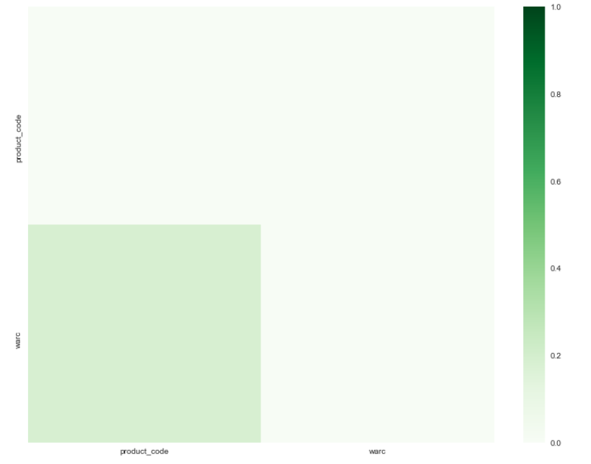
 |  |  |  |  |  |  |  | No numeric columns | No numeric columns
 |  |  |  |  |  |  |  | => No correlating columns | => No correlating columns


column1_dtype | column2_dtype | column_name1 | column_name2 | column_number1 | column_number2 | correlation | number_of_valid_rows
object | float64 | warc | product_code | 8 | 6 | 0.186707 | 3

 |  |  | numeric | categorical
 |  |  | product_code | warc
 |  |  |  | ebay.com0.warc.nq.gz
 |  |  |  | ebay.com0.warc.nq.gz
 |  |  | 9.00E+12 | ebay.com0.warc.nq.gz
 |  |  | 6.15E+11 | ebay.com0.warc.nq.gz
 |  |  |  | ebay.com0.warc.nq.gz
 |  |  |  | ebay.com0.warc.nq.gz
 |  |  | 506385 | newegg.com0.warc.nq.gz

Correlation-based Search - old
 |  |  | TVs |  |  | Phones |  |  | Headphones

for correct solution

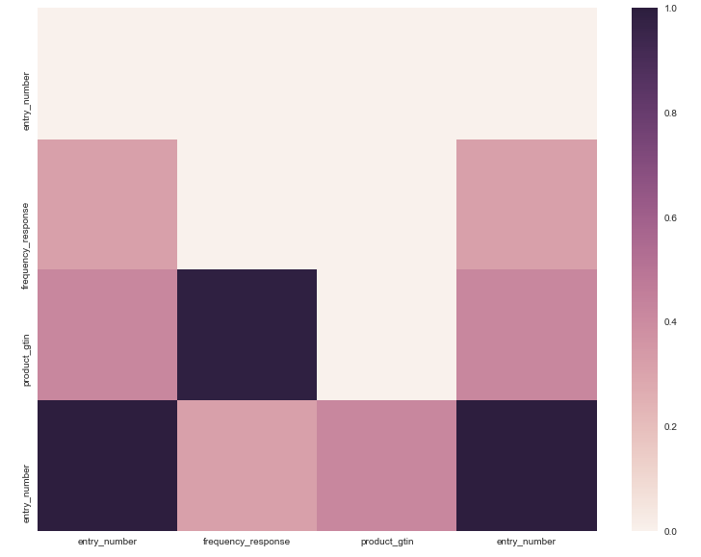
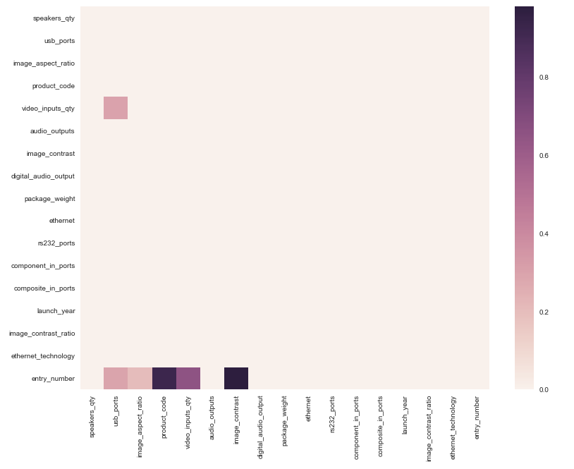
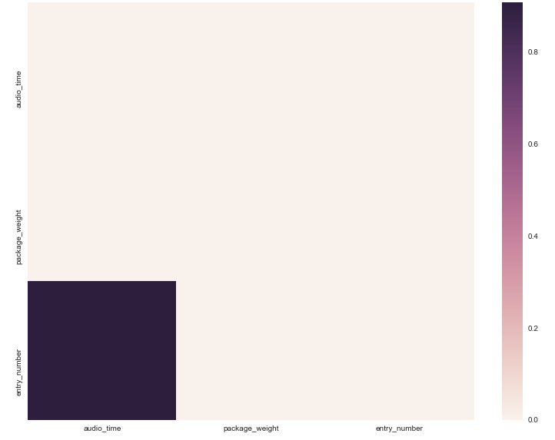
 | numeric columns
 | entry_number | int64
 | speakers_qty | float64 |  | numeric columns |  |  | numeric columns
 | usb_ports | float64 |  | entry_number | int64 |  | entry_number | int64
 | image_aspect_ratio | float64 |  | audio_time | float64 |  | height | float64
 | product_code | float64 |  | package_weight | float64 |  | width | float64
 | video_inputs_qty | float64 |  |  |  |  | package_weight | float64
 | audio_outputs | float64
 | image_contrast | float64
 | digital_audio_output | float64
 | package_weight | float64
 | ethernet | float64
 | rs232_ports | float64
 | component_in_ports | float64
 | composite_in_ports | float64
 | launch_year | float64
 | image_contrast_ratio | float64
 | ethernet_technology | float64

for result from Unconstrained Search

